Sheet1
 |  |  |  | 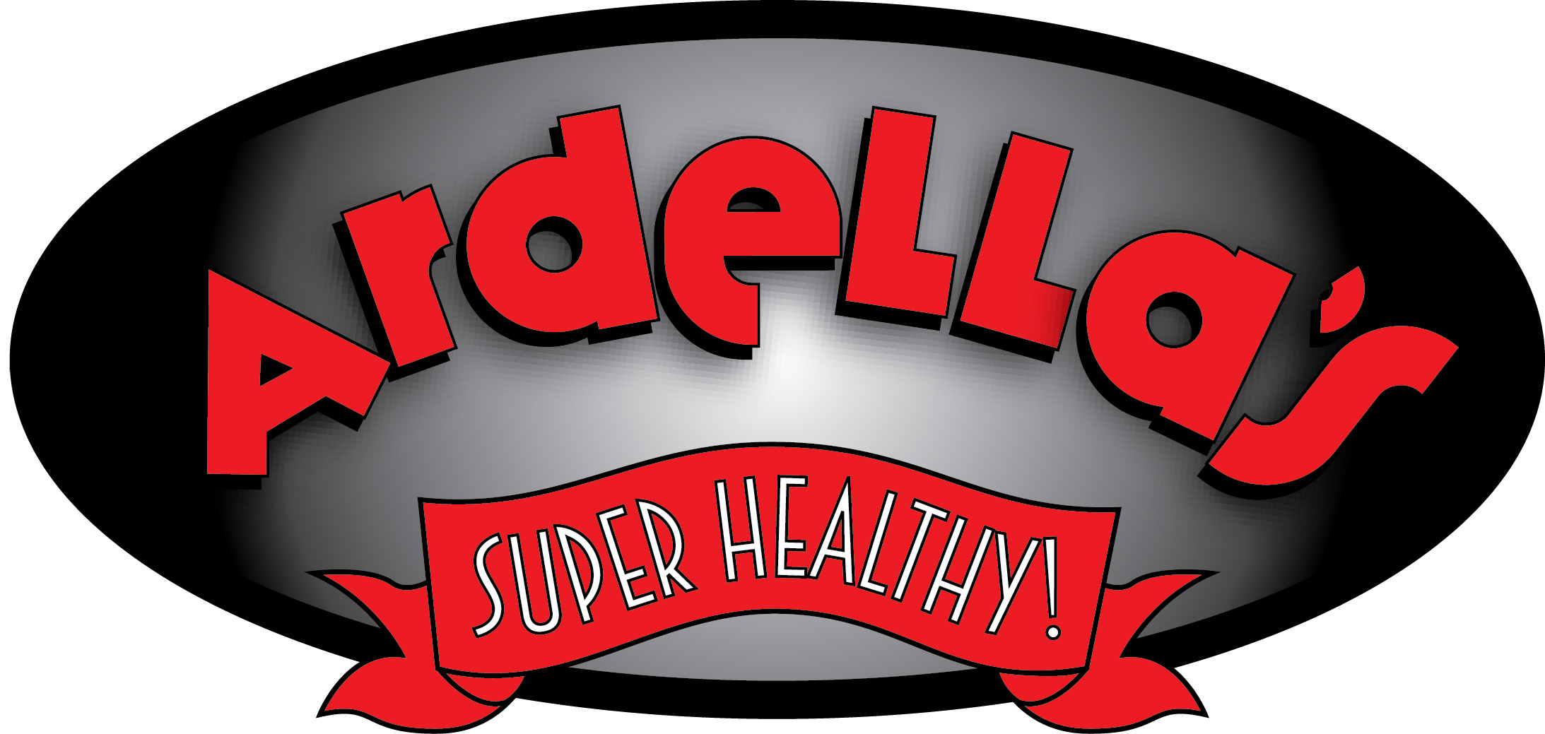
Product Code |  | Description | WG | Veg | Grain | Protein | Veggie | Serving Size | Case Count | DF Mozz | # of Servings Needed | Menued Amount | Number of Cases Needed of Product | Lbs of DF Mozz Needed for Servings

704 | IW | Double Stick Rip & Dip | Yes | Yes | 2 | 2 | 2017-01-02 | 7 | 36 | 4.5 |  |  | 0.00 | 0.00
705 | IW | Pizza Pack w/ Mozz Cheese | Yes | Yes | 2 | 2 | 1/2 | 6.6 | 32 | 4 |  |  | 0.00 | 0.00
20128 | IW | New* Bean & Cheese Burrito Lunch Kit | Yes | Yes | 2 | 2 | 2017-01-02 | 8.75 | 25 | 8.98 |  |  | 0.00 | 0.00
20129 | IW | New* Chili Cheese Burrito Lunch Kit | Yes | Yes | 2 | 2 | 2017-01-02 | 8.35 | 25 | 1.6 |  |  | 0.00 | 0.00
20130 | IW | New* 3x5 Cheese Pizza Kit | Yes | Yes | 2 | 2 | 2017-01-02 | 8.1 | 25 | 3.16 |  |  | 0.00 | 0.00
20132 | IW | New* Cheese Pull Apart Lunch Kit | Yes | Yes | 2 | 2 | 2017-01-02 | 6.7 | 25 | 3.16 |  |  | 0.00 | 0.00
30196 | B | 8" Sicilian WedgeTurket Pep/MozzPizza | Yes | No | 2 | 2 | ⅛ | 5.24 | 72 | 8.1 |  |  | 0.00 | 0.00
30197 | IW | 8" Sicilian Wedge Turkey Pep/MozzPizza | Yes | No | 2 | 2 | ⅛ | 5.24 | 72 | 8.1 |  |  | 0.00 | 0.00
60205 | B | 3x5 Cheese Pizza | Yes | Yes | 2 | 2 | ⅛ | 5.15 | 100 | 12.5 |  |  | 0.00 | 0.00
60206 | IW | 3x5 Cheese Pizza | Yes | Yes | 2 | 2 | ⅛ | 5.15 | 100 | 12.5 |  |  | 0.00 | 0.00
70147 | IW | Breakfast Bean & Cheese Burrito | Yes | Yes | 1 | 1.5 | or 1/8 | 3.5 | 70 | 1.75 |  |  | 0.00 | 0.00
80040 | B | Beef, Bean, & Cheese Burrito | Yes | No | 2 | 2 |  | 5.75 | 54 | 1.02 |  |  | 0.00 | 0.00
80041 | IW | Beef, Bean, & Cheese Burrito | Yes | No | 2 | 2 |  | 5.75 | 54 | 1.02 |  |  | 0.00 | 0.00
80042 | B | Chicken, Cheese, & Potato Burrito | Yes | No | 2 | 2 |  | 5.75 | 54 | 2.35 |  |  | 0.00 | 0.00
80043 | IW | Chicken, Cheese, & Potato Burrito | Yes | No | 2 | 2 |  | 5.75 | 54 | 2.35 |  |  | 0.00 | 0.00
80130 | B | Breakfast Sausage Bagel | Yes | No | 1 | 2 |  | 2.68 | 90 | 4.89 |  |  | 0.00 | 0.00
80131 | IW | Breakfast Sausage Bagel | Yes | No | 1 | 2 |  | 2.68 | 90 | 4.89 |  |  | 0.00 | 0.00
80134 | B | Breakfast Cheese Bagel | Yes | Yes | 1 | 2 |  | 2.65 | 90 | 5.63 |  |  | 0.00 | 0.00
80135 | IW | Breakfast Cheese Bagel | Yes | Yes | 1 | 2 |  | 2.65 | 90 | 5.63 |  |  | 0.00 | 0.00
80140 | B | Lunch Bean & Cheese Burrito | Yes | Yes | 2 | 3.25 | or 1/2 | 7.25 | 54 | 4.22 |  |  | 0.00 | 0.00
80141 | IW | Lunch Bean & Cheese Burrito | Yes | Yes | 2 | 3.25 | or 1/2 | 7.25 | 54 | 4.22 |  |  | 0.00 | 0.00
80146 | B | Lunch Bean & Cheese Burrito | Yes | Yes | 2 | 2.5 | or 1/4 | 5.75 | 54 | 4.22 |  |  | 0.00 | 0.00
80147 | IW | Lunch Bean & Cheese Burrito | Yes | Yes | 2 | 2.5 | or 1/4 | 5.75 | 54 | 4.22 |  |  | 0.00 | 0.00
80160 | B | Southwest Chicken Flauta | Yes | No | 1 | 1 |  | 2.5 | 80 | 3.5 |  |  | 0.00 | 0.00
80161 | IW | Southwest Chicken Flauta | Yes | No | 1 | 1 |  | 2.5 | 80 | 3.5 |  |  | 0.00 | 0.00
80164 | B | Southwest Chili Cheese Burrito | Yes | Yes | 2 | 2 |  | 5.75 | 54 | 3.4 |  |  | 0.00 | 0.00
80165 | IW | Southwest Chili Cheese Burrito | Yes | Yes | 2 | 2 |  | 5.75 | 54 | 3.4 |  |  | 0.00 | 0.00
90101 | B | 3x5 Sicilian Style Pep/Mozz Ch Pizza | Yes | No | 1.5 | 2 | ⅛ | 4.74 | 80 | 9 |  |  | 0.00 | 0.00
90102 | IW | 3x5 Sicilian Style Pep/Mozz Ch Pizza | Yes | No | 1.5 | 2 | ⅛ | 4.74 | 80 | 9 |  |  | 0.00 | 0.00
90105 | B | 3x5 Sicilian Style Mozz Cheese Pizza | Yes | Yes | 1.5 | 2 | ⅛ | 4.74 | 80 | 10 |  |  | 0.00 | 0.00
90106 | IW | 3x5 Sicilian Style Mozz Cheese Pizza | Yes | Yes | 1.5 | 2 | ⅛ | 4.74 | 80 | 10 |  |  | 0.00 | 0.00
90128 | B | Pull Aparts | Yes | Yes | 2 | 2 |  | 4.1 | 108 | 13.5 |  |  | 0.00 | 0.00
90129 | IW | Pull Aparts | Yes | Yes | 2 | 2 |  | 4.1 | 108 | 13.5 |  |  | 0.00 | 0.00
90134 | B | Cheese Stuffed Breadstick | Yes | Yes | 1 | 1 |  | 2 | 108 | 6.75 |  |  | 0.00 | 0.00
90158 | B | Breadstick Stuffed w/Mozz Pizza | Yes | Yes | 1 | 1 |  | 2 | 96 | 6 |  |  | 0.00 | 0.00
90160 | B | 7" French Brd Pep/Mozz Ch Pizza | Yes | No | 2 | 2 | ⅛ | 5.19 | 60 | 6.9375 |  |  | 0.00 | 0.00
90161 | IW | 7" French Brd Pep/Mozz Ch Pizza | Yes | No | 2 | 2 | ⅛ | 5.19 | 60 | 6.9375 |  |  | 0.00 | 0.00
90164 | B | 7" French Brd Mozz Cheese Pizza | Yes | Yes | 2 | 2 | ⅛ | 5.19 | 60 | 7.5 |  |  | 0.00 | 0.00
90165 | IW | 7" French Brd Mozz Cheese Pizza | Yes | Yes | 2 | 2 | ⅛ | 5.19 | 60 | 7.5 |  |  | 0.00 | 0.00
90167 | IW | 7" French Brd Coin Pep/Mozz Ch Pizza | Yes | No | 2 | 2 | ⅛ | 5.19 | 60 | 6.5625 |  |  | 0.00 | 0.00
90191 | B | 8" Silician Wedge Pep/MozzPizza | Yes | No | 2 | 2 | ⅛ | 5.24 | 72 | 8.1 |  |  | 0.00 | 0.00
90192 | IW | 8" Silician Wedge Pep/MozzPizza | Yes | No | 2 | 2 | ⅛ | 5.24 | 72 | 8.1 |  |  | 0.00 | 0.00
90193 | B | 8" Silician Wedge Mozz Pizza | Yes | Yes | 2 | 2 | ⅛ | 5.24 | 72 | 9 |  |  | 0.00 | 0.00
90194 | IW | 8" Silician Wedge Mozz Pizza | Yes | Yes | 2 | 2 | ⅛ | 5.24 | 72 | 9 |  |  | 0.00 | 0.00
90201 | B | 3x5 Pep/Mozz Cheese Pizza | Yes | No | 2 | 2 | ⅛ | 5.1 | 100 | 11.6875 |  |  | 0.00 | 0.00
90202 | IW | 3x5 Pep/Mozz Cheese Pizza | Yes | No | 2 | 2 | ⅛ | 5.1 | 100 | 11.6875 |  |  | 0.00 | 0.00
90205 | B | 3x5 Mozz Cheese Pizza | Yes | Yes | 2 | 2 | ⅛ | 5.1 | 100 | 12.5 |  |  | 0.00 | 0.00
90206 | IW | 3x5 Mozz Cheese Pizza | Yes | Yes | 2 | 2 | ⅛ | 5.1 | 100 | 12.5 |  |  | 0.00 | 0.00
90240 | B | 4x6 Pep/Mozz Cheese Pizza | Yes | No | 2 | 2 | ⅛ | 5.45 | 96 | 11.1 |  |  | 0.00 | 0.00
90241 | IW | 4x6 Pep/Mozz Cheese Pizza | Yes | No | 2 | 2 | ⅛ | 5.45 | 96 | 11.1 |  |  | 0.00 | 0.00
90244 | B | 4x6 Mozz Cheese Pizza | Yes | Yes | 2 | 2 | ⅛ | 5.45 | 96 | 12 |  |  | 0.00 | 0.00
90245 | IW | 4x6 Mozz Cheese Pizza | Yes | Yes | 2 | 2 | ⅛ | 5.45 | 96 | 12 |  |  | 0.00 | 0.00
90405 | B | 3x7 Pepperoni Longboard | Yes | No | 2 | 2 | ⅛ | 5.00 | 80 | 9.35 |  |  | 0.00 | 0.00
90406 | IW | 3x7 Pepperoni Longboard | Yes | No | 2 | 2 | ⅛ | 5.00 | 80 | 9.35 |  |  | 0.00 | 0.00
90409 | B | 3x7 Cheese Longboard | Yes | Yes | 2 | 2 | ⅛ | 5.00 | 80 | 10 |  |  | 0.00 | 0.00
90410 | IW | 3x7 Cheese Longboard | Yes | Yes | 2 | 2 | ⅛ | 5.00 | 80 | 10 |  |  | 0.00 | 0.00
90630 | IW | Pepperoni Sliders | Yes | No | 2 | 2 | ⅛ | 5.16 | 56 | 6.3636 |  |  | 0.00 | 0.00
90631 | B | Pepperoni Sliders | Yes | No | 2 | 2 | ⅛ | 5.16 | 56 | 6.3636 |  |  | 0.00 | 0.00
90632 | B | Cheese Sliders | Yes | Yes | 2 | 2 | ⅛ | 5.1 | 56 | 7.0707 |  |  | 0.00 | 0.00
90633 | IW | Cheese Sliders | Yes | Yes | 2 | 2 | ⅛ | 5.1 | 56 | 7.0707 |  |  | 0.00 | 0.00

